Figures
Figures

Greenhouse gas emission for bonefree chicken meat across countries, to farmgate including slaughter, no waste
Comment on the results:
Differences across countries:
The same FCR is currently assumed for all countries so differences related to feed production (from production of mineral fertiliser up to feed transports) are totally explained by 1) the types of feed in the feed mix, and the 2) emissions from the production of the feed in the country. It is assumed that all feeds except soy and rapeseed meal are produced domestically.
Sweden is the only country that has the actual feed data from Sweden, the rest is from CAPRI with large uncertainties.
Italy, Spain, Hungary and Greece have lower emissions from feed production primarly because they are located in 'dry regions' and therefore N2O emissions are half of whose in 'wet countries'. Italy and Hungary also use approximately 50% maize grain in diets which has somewhat lower emissions than other cereals.
Diesel use in Greece and Spain - check...
Countries which use more soy (UK, the Netherlands, Sweden, Greece, Spain and Ireland) have higher emissions from land use change (soy is the only feed crop included here that is assumed to cause land use change).
Differences also slightly depend on the percentage of by-products in diets as these are assigned no environmental impact in this version. Germany, Sweden, UK, Spain and Poland have low or no use of by-products in diets.
Differences for emission energy use in stables and in slaughtering is explained entirely by different energy mixes in the different countries as energy use is assumed to be the same across countries.
Manure emissions - explain...
Differences from previous Swedish estimates:
The estimate is lower than previous estimates by e.g. Moberg et al. (2019) and updated versions of that, and the LCA from RISE for Svensk Fågel (https://svenskfagel.se/wp-content/uploads/2022/11/klimatavtryck-sv-kyckling-foder-information-november-2022-publik.pdf) due to the following reasons:
- Somewhat lower emissions from feed production in this study
- This study includes edible offal as an output and allocates the same emissions to offal as meat
- Adjusting for N in manure, hence assuming that all manure is used in livestock production and none on crops for human consumption
- Use of AR6 GWP factors instead of AR4-factors

Lesschen:
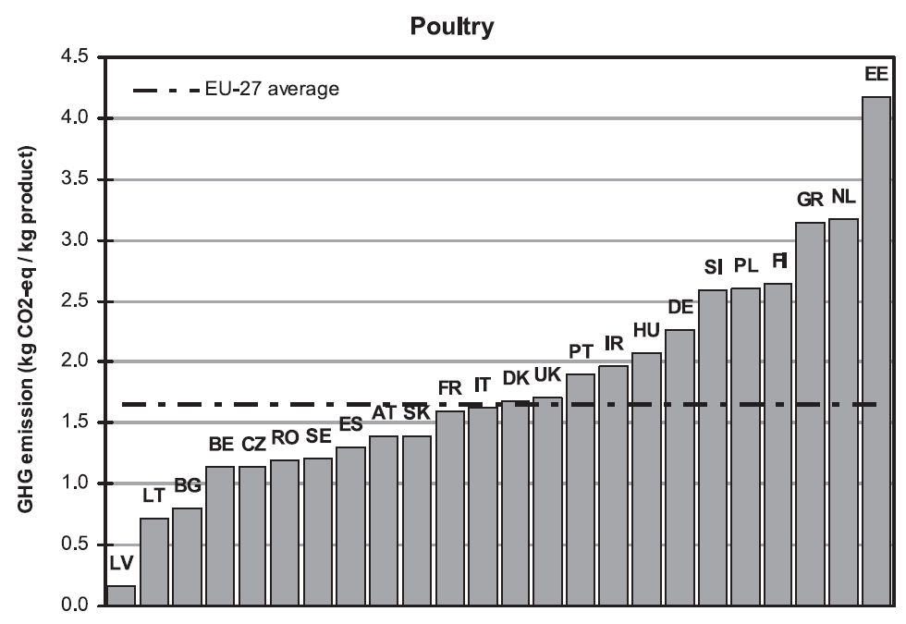

 |  |  |  |  |  |  |  |  | Order in this study: |  | Order in Lesschen:

 |  |  |  |  |  |  |  |  | Poland |  | Netherlands
 |  |  |  |  |  |  |  |  | UK |  | Greece
 |  |  |  |  |  |  |  |  | Netherlands |  | Poland
 |  |  |  |  |  |  |  |  | Denmark |  | Germany
 |  |  |  |  |  |  |  |  | Sweden |  | Hungary
 |  |  |  |  |  |  |  |  | Greece |  | Ireland
 |  |  |  |  |  |  |  |  | Germany |  | UK
 |  |  |  |  |  |  |  |  | Spain |  | Denmark
 |  |  |  |  |  |  |  |  | Ireland |  | Italy
 |  |  |  |  |  |  |  |  | France |  | France
 |  |  |  |  |  |  |  |  | Italy |  | Spain
 |  |  |  |  |  |  |  |  | Hungary |  | Sweden

 | Production of mineral fertilizer | Production of capital goods | Emissions from soil | Diesel use field machinary | Energy use for feed processing | Land use change emissions | Feed transports | Enteric fermentation | Manure management | Energy use in stables | Energy use for slaughter | Tot
Poland | 0.25036582045 | 0.092919423778 | 0.37062124468 | 0.13930374595 | 0.15985879298 | 0.10943919104 | 0.097057870837 | 0 | 0.13869379538 | 0.15074932274 | 0.54600896351 | 2.0550181713
UK | 0.29189468172 | 0.090751019181 | 0.46419605409 | 0.10267722682 | 0.12778528895 | 0.19408948993 | 0.17952632406 | 0 | 0.093263728567 | 0.094238726789 | 0.22309127236 | 1.8615138125
Netherlands | 0.19316895751 | 0.08940388227 | 0.3884621262 | 0.10028996439 | 0.1318243071 | 0.16580919227 | 0.16178034723 | 0 | 0.15104449581 | 0.10486036971 | 0.28378637477 | 1.7704300173
Greece | 0.15996723498 | 0.087403463889 | 0.13908719203 | 0.17363669564 | 0.12393546866 | 0.21074568629 | 0.1896312095 | 0 | 0.1438068359 | 0.11871036445 | 0.36292920184 | 1.7098533532
Denmark | 0.25406692014 | 0.091726261976 | 0.49458690036 | 0.10151346198 | 0.12602943739 | 0.11199553671 | 0.10179410462 | 0 | 0.093263728567 | 0.092086076701 | 0.21079041471 | 1.6778528431
Sweden | 0.25129263891 | 0.09203573489 | 0.48842581374 | 0.11182226975 | 0.11472903877 | 0.19366752718 | 0.17244619098 | 0 | 0.093263728567 | 0.065053683315 | 0.056319595359 | 1.6390562215
Germany | 0.23226205612 | 0.09124179909 | 0.3507406331 | 0.092283475454 | 0.13396724418 | 0.094471241185 | 0.098522792889 | 0 | 0.16129505898 | 0.10159751092 | 0.26514146736 | 1.6215232793
Spain | 0.17282699333 | 0.093298693674 | 0.23034913394 | 0.18133379223 | 0.12052009355 | 0.17947456253 | 0.15974813149 | 0 | 0.15066079906 | 0.083464270802 | 0.16152295243 | 1.533199423
Ireland | 0.15378280962 | 0.076206877173 | 0.3371061294 | 0.090309455888 | 0.10049495689 | 0.14537905545 | 0.14877372707 | 0 | 0.12361807792 | 0.093669772337 | 0.21984010406 | 1.4891809658
Italy | 0.23306577107 | 0.089427598809 | 0.16159980046 | 0.12858927833 | 0.11751803695 | 0.12172101088 | 0.11729178039 | 0 | 0.10084615202 | 0.095764816403 | 0.23181178443 | 1.3976360298
France | 0.27669425401 | 0.088519058072 | 0.36510022125 | 0.10185743837 | 0.10830225655 | 0.091730991286 | 0.097681313773 | 0 | 0.11017855987 | 0.06539729606 | 0.058283096761 | 1.363744486
Hungary | 0.21844705459 | 0.092602084668 | 0.13987375304 | 0.11107849824 | 0.12688012534 | 0.10270073851 | 0.085025852206 | 0 | 0.114437266 | 0.09965502941 | 0.25404157305 | 1.344741975

Off-farm feed
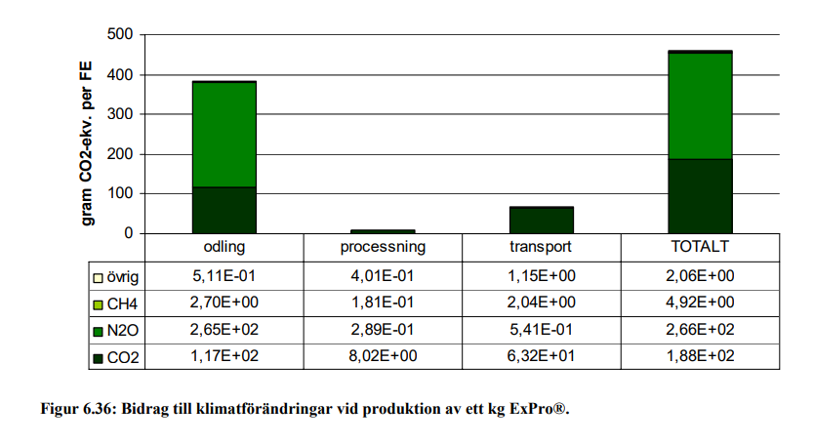
Off-farm feed

Soy bean meal

Greenhouse gas emissons:

Crops |  |  |  | Sum | Inputs |  | Soil emissions |  | Energy use |  |  |  | Land use change | Feed processing | Transports
Code | Crops | Gas | Cultivated in country |  | Production of mineral fertilizer | Production of capital goods | Direct emissions | Indirect emissions | Diesel use field mach | Energy use in greenhouses | Energy use for irrigation | Energy use for post-harvest proc | LUC emissions |  |  | Source LUC:
0141 | Soya beans | CO2e | Brazil | 0.976 | 0.006 | 0.030 | 0.043 | 0.004 | 0.052 | 0.000 | 0.000 | 0.040 | 0.801 | 0.000 | 0.000 | Pendrill et al. 2022
0141 | Soya beans | CO2 | Brazil | 0.921 | 0.004 | 0.027 | 0.000 |  | 0.051 |  | 0.000 | 0.038 | 0.80
0141 | Soya beans | CH4, fossil | Brazil | 0.000 | 0.000 | 0.000 |  |  | 0.000 |  | 0.000 | 0.000
0141 | Soya beans | CH4, bio | Brazil | 0.000
0141 | Soya beans | N2O | Brazil | 0.000 | 0.000 | 0.000 | 0.000 | 0.000 | 0.000 |  | 0.000 | 0.000

0141 | Soya beans | CO2e | Argentina | 0.208 | 0.024 | 0.030 | 0.049 | 0.005 | 0.059 | 0.000 | 0.000 | 0.040 | 0.001 | 0.000 | 0.000 | Pendrill et al. 2022
0141 | Soya beans | CO2 | Argentina | 0.139 | 0.015 | 0.027 | 0.000 |  | 0.058 |  | 0.000 | 0.038 | 0.00054
0141 | Soya beans | CH4, fossil | Argentina | 0.000 | 0.000 | 0.000 |  |  | 0.000 |  | 0.000 | 0.000
0141 | Soya beans | CH4, bio | Argentina | 0.000
0141 | Soya beans | N2O | Argentina | 0.000 | 0.000 | 0.000 | 0.000 | 0.000 | 0.000 |  | 0.000 | 0.000

0141_m | Soy bean meal | CO2e | Brazil, Argentina | 0.772 | 0.012 | 0.024 | 0.036 | 0.004 | 0.044 | 0.000 | 0.000 | 0.031 | 0.318 | 0.043 | 0.260
0141_m | Soy bean meal | CO2 | Brazil, Argentina | 0.706 | 0.007 | 0.021 | 0.000 |  | 0.043 |  | 0.000 | 0.030 | 0.318 | 0.035 | 0.251 | Flysjö et al. 2008, Figur 6.35
0141_m | Soy bean meal | CH4, fossil | Brazil, Argentina | 0.000 | 0.000 | 0.000 |  |  | 0.000 |  | 0.000 | 0.000 |  | 0.000 | 0.000 | Flysjö et al. 2008, Figur 6.35, divided by GWP-factor used in report, Tabell 5.1
0141_m | Soy bean meal | CH4, bio | Brazil, Argentina | 0.000
0141_m | Soy bean meal | N2O | Brazil, Argentina | 0.000 | 0.000 | 0.000 | 0.00013 | 0.000 | 0.000 |  | 0.000 | 0.000 |  | 0.000 | 0.000 | Flysjö et al. 2008, Figur 6.35, divided by GWP-factor used in report, Tabell 5.1

Other footprints:

Crops |  |  |  |  | Land | Nitrogen | Phosphorus | Water | Pesticides | Biodiversity | Ammonia
Code | Crops | Categories | Country | Country code | Cropland use, m2/kg | N application, kg N/kg | P application, kg P/kg | Blue freshwater use, m3/kg | Pesticide use, g a.i./kg | Extinction rate, E/MSY/kg | Ammonia emission, kg NH3/kg
0141 | Soya beans | Pulses | Brazil | BR | 2.9987165493 | 0.075567657043 | 0.0065971764085 | 0.00083191495512 | 0.33775822795 | 3.31E-10 | 5.47E-05 |  | Copied from RPC-file
0141 | Soya beans | Pulses | Argentina | AR | 3.4374419932 | 0.031968210536 | 0.0017187209966 | 0.0053124997988 | 0.31624466337 | 3.62E-11 | 2.09E-04 |  | Remember to divide biodiversity by 100 when updating! Or use merged_data in the R-script

0141_m | Soy bean meal | Feed | Brazil, Argentina |  | 2.55 | 0.04 | 0.0033 | 0.0024 | 0.26 | 1.46E-10 | 1.05E-04

Parameters for soy
Soy meal in 1 kg soy bean |  | 0.82 |  |  |  |  |  |  |  |  |  |  |  |  |  | Flysjö et al. 2008, Tabell 4.24
Economic allocation factor meal |  | 0.65 |  |  |  |  |  |  |  |  |  |  |  |  |  | Flysjö et al. 2008, Tabell 4.24

Energy use processing:
Electricity |  | 0.166 | MJ per kg soy beans processed |  |  | Share electricity: |  | 0.15 |  |  |  |  |  |  |  | Flysjö et al. 2008
Biomass |  | 0.973 | MJ per kg soy beans processed |  |  |  |  |  |  |  |  |  |  |  |  | Flysjö et al. 2008

Assuming half of soy from Brazil and the other half from Argentina. |  |  |  |  |  |  |  |  |  |  |  |  |  |  |  | https://www.fediol.eu/data/Where%20does%20soy%20come%20from.pdf

Rape seed meal

Greenhouse gas emissons:

Crops |  |  |  | Sum | Inputs |  | Soil emissions |  | Energy use |  |  |  | Land use change | Feed processing | Transports
Code | Crops | Gas | Cultivated in country |  | Production of mineral fertilizer | Production of capital goods | Direct emissions | Indirect emissions | Diesel use field mach | Energy use in greenhouses | Energy use for irrigation | Energy use for post-harvest proc | LUC emissions
01443 | Rape or colza seed, average | CO2e | France | 0.867 | 0.450 | 0.030 | 0.242 | 0.024 | 0.050 | 0.000 | 0.001 | 0.069 | 0.000 | 0.000 | 0.000
01443 | Rape or colza seed, average | CO2 | France | 0.474 | 0.330 | 0.027 | 0.000 |  | 0.049 |  | 0.001 | 0.068
01443 | Rape or colza seed, average | CH4, fossil | France | 0.000 | 3.5E-04 | 9.5E-05 |  |  | 2.2E-05 |  | 3.3E-06 | 3.0E-05
01443 | Rape or colza seed, average | CH4, bio | France | 0.000
01443 | Rape or colza seed, average | N2O | France | 0.001 | 4.0E-04 | 1.1E-06 | 8.9E-04 | 8.9E-05 | 1.3E-06 |  | 4.0E-08 | 2.5E-06

01443 | Rape or colza seed, average | CO2e | Germany | 0.725 | 0.303 | 0.030 | 0.242 | 0.024 | 0.049 | 0.000 | 0.000 | 0.077 | 0.000 | 0.000 | 0.000
01443 | Rape or colza seed, average | CO2 | Germany | 0.333 | 0.182 | 0.027 | 0.000 |  | 0.048 |  | 0.000 | 0.075
01443 | Rape or colza seed, average | CH4, fossil | Germany | 0.001 | 3.5E-04 | 9.5E-05 |  |  | 2.1E-05 |  | 5.0E-07 | 4.3E-05
01443 | Rape or colza seed, average | CH4, bio | Germany | 0.000
01443 | Rape or colza seed, average | N2O | Germany | 0.001 | 4.0E-04 | 1.1E-06 | 8.9E-04 | 8.9E-05 | 1.3E-06 |  | 6.2E-09 | 2.8E-06

01443 | Rape or colza seed, average | CO2e | Poland | 0.745 | 0.303 | 0.030 | 0.242 | 0.024 | 0.058 | 0.000 | 0.000 | 0.088 |  | 0.000 | 0.000
01443 | Rape or colza seed, average | CO2 | Poland | 0.352 | 0.182 | 0.027 | 0.000 |  | 0.057 |  | 0.000 | 0.086
01443 | Rape or colza seed, average | CH4, fossil | Poland | 0.001 | 0.000 | 0.000 |  |  | 0.000 |  | 0.000 | 0.000
01443 | Rape or colza seed, average | CH4, bio | Poland | 0.000
01443 | Rape or colza seed, average | N2O | Poland | 0.001 | 0.000 | 0.000 | 8.856E-04 | 0.000 | 0.000 |  | 0.000 | 0.000

01443_m | Rape seed meal | CO2e | France, Germany, Poland | 0.466 | 0.170 | 0.015 | 0.117 | 0.012 | 0.025 |  | 0.000 | 0.038 |  | 0.024 | 0.066 | Source transports:
01443_m | Rape seed meal | CO2 | France, Germany, Poland | 0.271 | 0.112 | 0.013 | 0.000 |  | 0.025 |  | 0.000 | 0.037 |  | 0.021 | 0.063 | Flysjö et al. 2008, Figur 6.36
01443_m | Rape seed meal | CH4, fossil | France, Germany, Poland | 0.000 | 0.000 | 0.000 |  |  | 0.000 |  | 0.000 | 0.000 |  | 0.000 | 0.000 | Flysjö et al. 2008, Figur 6.36, divided by GWP-factor used in report, Tabell 5.1
01443_m | Rape seed meal | CH4, bio | France, Germany, Poland | 0.000
01443_m | Rape seed meal | N2O | France, Germany, Poland | 0.001 | 0.000 | 0.000 | 0.0004 | 0.00004 | 0.000 |  | 0.000 | 0.000 |  | 0.000 | 0.000 | Flysjö et al. 2008, Figur 6.36, divided by GWP-factor used in report, Tabell 5.1

Other footprints:

Crops |  |  |  |  | Land | Nitrogen | Phosphorus | Water | Pesticides | Biodiversity | Ammonia
Code | Crops | Categories | Country | Country code | Cropland use, m2/kg | N application, kg N/kg | P application, kg P/kg | Blue freshwater use, m3/kg | Pesticide use, g a.i./kg | Extinction rate, E/MSY/kg | Ammonia emission, kg NH3/kg
01443_m | Rape or colza seed, average | Feed | France | FR | 3.0504172971 | 0.047160731473 | 0.0051331408406 | 0.0050398432163 | 0.66988842289 | 3.67E-11 | 0.0028671179329 |  | Copied from RPC-file
01443_m | Rape or colza seed, average | Feed | Germany | DE | 2.9846291598 | 0.047160731473 | 0.0051331408406 | 0 | 0.49457909999 | 2.74E-11 | 0.0028671179329 |  | Remember to divide biodiversity by 100 when updating! Or use merged_data in the R-script
01443_m | Rape or colza seed, average | Feed | Poland | PL | 3.5333691381 | 0.047160731473 | 0.0051331408406 | 0 | 0.66057946683 | 1.41E-11 | 0.0028671179329

01443_m | Rape seed meal | Feed | France, Germany, Poland |  | 1.54 | 0.02 | 0.0025 | 0.0008 | 0.29 | 1.26E-11 | 1.38E-03

Parameters for rape seed
Rape meal in 1 kg rape seed |  | 0.58 |  |  |  |  |  |  |  |  |  |  |  |  |  | Flysjö et al. 2008
Economic allocation factor meal |  | 0.28 |  |  |  |  |  |  |  |  |  |  |  |  |  | Flysjö et al. 2008

Energy use processing:
Electricity |  | 0.13 | MJ per kg rape seed processed |  |  |  |  |  |  |  |  |  |  |  |  | Flysjö et al. 2008, p. 45, using share of electricity as for soy because ratio between electricity and gas/biofuels not stated
Biomass |  | 0.78 | MJ per kg rape seed processed

Using the three largest rapeseed countries and taking an average of these. |  |  |  |  |  |  |  |  |  |  |  |  |  |  |  | https://projects.luke.fi/ruokafakta/en/field-crops/rapeseed-production-volumes/#:~:text=The%20largest%20producers%20are%20France,Germany%2C%20with%203.7%20billion%20kilos.

Verification

 | This study | Flysjö et al. 2008
Cultivation | 0.376 | 0.385 | Slightly different because in this study we use a mix of three countries, Flysjö only Sweden
Processing | 0.024 | 0.009 | Slightly higher because of electricity mix from the three countries
Transport | 0.066 | 0.067 | Slightly different because of different GWP-factors
Total | 0.466 | 0.461

Verification
Comparison without LUC and SOC, and with AR4, bonefree meat (excl. offal), without any waste and without the correction of N input from manure

 | This study | Moberg updated | RISE |  | This study |  | Mobergs feed emissions, AR6 factors
Feed excl correcting for N manure | 1.5 | 2.0 | 1.81 |  | 0.38 |  | 0.56479367836 | Grains (86% DM)
Manure | 0.09 | 0.099 | 0.10 |  | 0.37 |  | 0.33391217667 | Maize (92% DM)
Energy stables | 0.065 | 0.062 | 0.19 |  |  |  | 0.30276247654 | By-products cereal industry (86% DM)
Energy slaughter | 0.11 | 0.03 | 0.03 |  |  |  | 0.65290088132 | Fats and fatty acids
 | 1.77 | 2.19 | 2.13 |  |  |  | 0.89418313602 | Palmkernal expels (91% DM)
 |  |  |  |  | 0.46603913502 |  | 0.92236976297 | Rapeseed, whole (91% DM)
CF feed without LUC | 0.41 | 0.60 |  |  | 0.46603913502 |  | 0.46452012765 | Rapeseed, meal (91% DM)
 |  |  |  |  |  |  | 0.80797812867 | Minerals and salt (100% DM)
 |  |  |  |  | 0.45409652746 |  | 0.61608605668 | Soymeal and soy-based products (87% DM)
 |  |  |  |  |  |  | 0.29109249843 | Peas and horsebeans (86% DM)
 |  |  |  |  |  |  | 0.59883234478 | By-products sugar industry (84% DM)
 |  |  |  |  |  |  | 0.60649726812 | Other protein feed**
 |  |  |  |  |  |  | 0.13968811455 | Pasture (100% DM)
Slightly higher for feed, explained by slightly different emissions from feed ingredients (0.65 kg CO2e per kg feed mix) |  |  |  |  |  |  | 0.19114026637 | Forage (100% DM)
RISE has higher for energy stables for a range of reasons, includes bedding + more energy (the whole farm)

Processed feed stuff |  |  | This was data from the Global Feed LCA database I used before calculating impacts from soy and rape seed from scratch in "Off-farm feed" tab

Products “at plant”: the environmental impact of processed feed materials until processing gate. Environmental impact of processed products includes the impact of cultivation of raw materials, sourcing from different countries, energy and auxiliary material use at processing and waste.
Data from the Global Feed LCA database
 |  |  |  | Global warming - Including LUC & Peat (kg CO2 eq / ton product) | Global warming - Excluding LUC & peat(kg CO2 eq / ton product) | Global warming - LUC only (kg CO2 eq / ton product) | Global warming - Peat only (kg CO2 eq / ton product) |  | Source:
Soybean meal (solvent), at processing/AR Economic S |  | AFP 6.3 | 2022 | 4204 | 462 | 3740 | 1 |  | Global Feed LCA database, www.globalfeedlca.org
Soybean meal (solvent), at processing/BR Economic S |  | AFP 6.3 | 2022 | 4272 | 576 | 3697 | 0 |  | See file: GFLI+LCIA+31Oct2022.zip
Rapeseed meal (solvent), at processing/DE Economic S |  | AFP 6.3 | 2022 | 500 | 386 | 50 | 65

The Global FCA database does not provide disaggregated data or LCI data for free, so here we use the aggregated value and divide it upon different emissions sources based on the approximate shares for wheat (for rapeseed cake) and peas (for soybean meal)

 |  | Gas |  | Sum | Inputs |  | Soil emissions |  | Energy use
 | (Data on wheat and peas from Sweden, just used for proportion of processes) |  |  | Sum excl. LUC and transports | Production of mineral fertilizer | Production of capital goods | Direct emissions | Indirect emissions | Diesel use field mach | Energy use in greenhouses | Energy use for irrigation | Energy use for post-harvest proc |  | Share of gases:

0111 | Wheat, average | CO2 |  | 0.35 | 0.074 | 0.027 | 0.19 |  | 0.029 |  | 0 | 0.035 |  | #VALUE!
 |  | CO2 |  | Share: | #DIV/0! | #DIV/0! | #DIV/0! | #DIV/0! | #DIV/0! | #DIV/0! | #DIV/0! | #DIV/0!
0111 | Wheat, average | CH4 |  | 2.13E-04 | 9.3E-05 | 1E-04 |  |  | 1.29E-05 |  | 0.00E+00 | 1.25E-05 |  | #VALUE!
 |  | CH4 |  | Share: | #DIV/0! | #DIV/0! | #DIV/0! | #DIV/0! | #DIV/0! | #DIV/0! | #DIV/0! | #DIV/0!
0111 | Wheat, average | N2O |  | 9.17E-04 | 1.6E-04 | 1E-06 | 6.90E-04 | 6.90E-05 | 7.83E-07 |  | 0.00E+00 | 1.17E-06 |  | #VALUE!
 |  | N2O |  | Share: | #DIV/0! | #DIV/0! | #DIV/0! | #DIV/0! | #DIV/0! | #DIV/0! | #DIV/0! | #DIV/0!
 |  | CO2e |  | 0.61
01705 | Peas, dry | CO2 |  | 0.44 | 0.000 | 0.027 | 0.32 |  | 0.057 |  | 0 | 0.035 |  | #VALUE!
 |  | CO2 |  | Share: | 0.000 | 0.000 | 0.000 | 0.000 | 0.000 | 0.000 | 0.000 | 0.000
01705 | Peas, dry | CH4 |  | 1.33E-04 | 0.0E+00 | 1E-04 |  |  | 2.53E-05 |  | 0.00E+00 | 1.25E-05 |  | #VALUE!
 |  | CH4 |  | Share: | 0.000 | 0.000 | 0.000 | 0.000 | 0.000 | 0.000 | 0.000 | 0.000
01705 | Peas, dry | N2O |  | 2.07E-04 | 0.0E+00 | 1E-06 | 1.85E-04 | 1.85E-05 | 1.53E-06 |  | 0.00E+00 | 1.17E-06 |  | #VALUE!
 |  | N2O |  | Share: | #DIV/0! | #DIV/0! | #DIV/0! | #DIV/0! | #DIV/0! | #DIV/0! | #DIV/0! | #DIV/0!
 |  | CO2e |  | 0.50

Emission data for soybean meal and rapeseed cake (same across countries), kg per kg feed

 |  | Gas | Sum | Sum | Inputs |  | Soil emissions |  | Energy use
 |  |  | Sum incl. LUC and transports |  | Production of mineral fertilizer | Production of capital goods | Direct emissions | Indirect emissions | Diesel use field mach | Energy use in greenhouses | Energy use for irrigation | Energy use for post-harvest proc | LUC emissions | Transports of feed | Source LUC: | Source transports:
 | Rape seed cake | CO2 | #VALUE! | #VALUE! | #VALUE! | #VALUE! | #VALUE! | #VALUE! | #VALUE! | #VALUE! | #VALUE! | #VALUE! |  | 0.0632 |  | Flysjö et al. 2008, Figur 6.35
 | Totalt: | CH4 in CO2e |  | #VALUE! | 8.503E-08 | 8.707E-08 | 0.000E+00 | 0.000E+00 | 1.184E-08 | 0.000E+00 | 0.000E+00 | 1.150E-08
 | #VALUE! | CH4 | 0.00 | 6.56E-09 | 2.9E-09 | 2.9E-09 | 0.0E+00 | 0.0E+00 | 4.0E-10 | 0.0E+00 | 0.0E+00 | 3.9E-10 |  | 8.8695652174E-05 |  | Flysjö et al. 2008, Figur 6.35, divided by GWP-factor used in report, Tabell 5.1
 |  | N2O in CO2e |  | #VALUE! | #DIV/0! | #DIV/0! | #DIV/0! | #DIV/0! | #DIV/0! | #DIV/0! | #DIV/0! | #DIV/0!
 |  | N2O | #DIV/0! | #DIV/0! | #DIV/0! | #DIV/0! | #DIV/0! | #DIV/0! | #DIV/0! | #DIV/0! | #DIV/0! | #DIV/0! |  | 1.8277027027E-06 |  | Flysjö et al. 2008, Figur 6.35, divided by GWP-factor used in report, Tabell 5.1
 | Soy bean meal | CO2 | #VALUE! | #VALUE! | #VALUE! | #VALUE! | #VALUE! | #VALUE! | #VALUE! | #VALUE! | #VALUE! | #VALUE! | 0.26 | 0.251 | Pendrill et al. (2020) | Flysjö et al. 2008, Figur 6.35
 | Totalt: | CH4 in CO2e |  | #VALUE! | 0.00E+00 | 2.52E-11 | 0.00E+00 | 0.00E+00 | 6.70E-12 | 0.00E+00 | 0.00E+00 | 3.33E-12
 | #VALUE! | CH4 | 0.00 | 1.18E-12 | 0.00E+00 | 8.46E-13 | 0.00E+00 | 0.00E+00 | 2.25E-13 | 0.00E+00 | 0.00E+00 | 1.12E-13 |  | 0.00021 |  | Flysjö et al. 2008, Figur 6.35, divided by GWP-factor used in report, Tabell 5.1
 |  | N2O in CO2e |  | #VALUE! | #DIV/0! | #DIV/0! | #DIV/0! | #DIV/0! | #DIV/0! | #DIV/0! | #DIV/0! | #DIV/0!
 |  | N2O | #DIV/0! | #DIV/0! | #DIV/0! | #DIV/0! | #DIV/0! | #DIV/0! | #DIV/0! | #DIV/0! | #DIV/0! | #DIV/0! |  | 9.1E-06 |  | Flysjö et al. 2008, Figur 6.35, divided by GWP-factor used in report, Tabell 5.1

